102_NPort
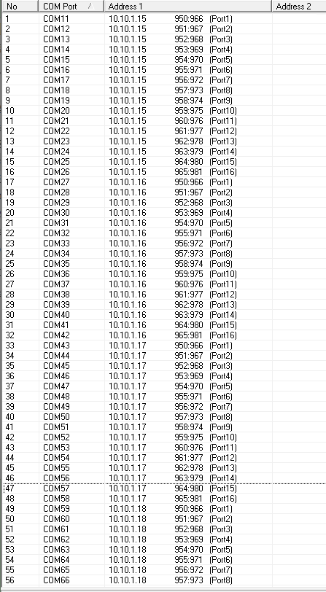
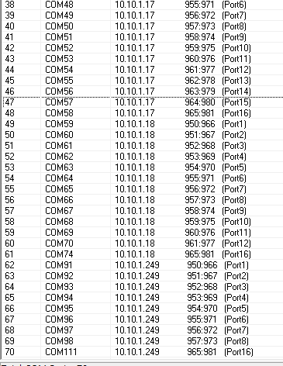

104_NPort
확정결정지은뒤에 연결작업해야겠구만
기존kepware의 설정값에 맞게 Com 하나씩 잡고 테스트가 좋을듯.

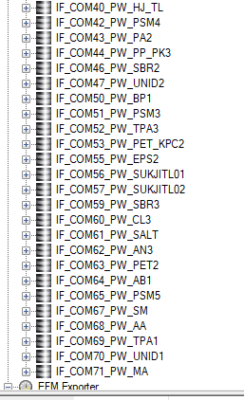
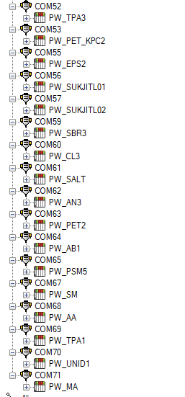
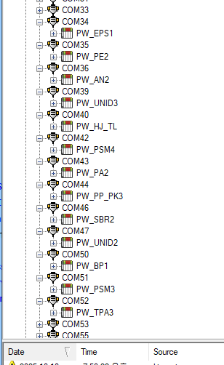

COM 정보 원본 날려버렸나염?

Sheet2
